Hydrogen Calculations
Historical Hydrogen Demand
Sector | EPS Sector | Total H2 Demand (MMT/year) | 2019 Total H2 Demand (BTU/year) | 2020 Change in Industry Fuel Consumption/Output
Refining | refined petroleum and coke 19 | 4.7 | 636489892000000 | 0.94386992609 | (see below)
Ammonia | chemicals 20 | 2.7 | 3.6386138614E+14 | 0.80239588759 | AEO 2020 and AEO 2021 Bulk Chemicals Feedstock Energy
Methanol | chemicals 20 | 1.6 | 2.1562156216E+14 | 0.80239588759 | AEO 2020 and AEO 2021 Bulk Chemicals Feedstock Energy
Metal Processing | iron and steel 241 | 0.2 | 2.695269527E+13 | 0.77142857143 | AEO 2020 and AEO 2021 Iron and Steel Value of Shipments
Other | chemicals 20 | 0.4 | 5.3905390539E+13 | 0.80239588759 | AEO 2020 and AEO 2021 Bulk Chemicals Feedstock Energy

Hydrogen Analysis Resource Center: Lower and Higher Heating Values of Hydrogen and Fuels

Fuels |  | Lower Heating Value (LHV) [1] |  |  |  | Higher Heating Value (HHV) [1] |  |  |  | Density
Gaseous Fuels @ 32 F and 1 atm |  | Btu/ft3 [2] | Btu/lb [3] | MJ/kg [4] |  | Btu/ft3 [2] | Btu/lb [3] | MJ/kg [4] |  | grams/ft3
Natural gas |  | 983 | 20,267 | 47.141 |  | 1089 | 22,453 | 52.225 |  | 22.0
Hydrogen |  | 290 | 51,682 | 120.21 |  | 343 | 61,127 | 142.18 |  | 2.55
Still gas (in refineries) |  | 1458 | 20,163 | 46.898 |  | 1,584 | 21,905 | 50.951 |  | 32.8

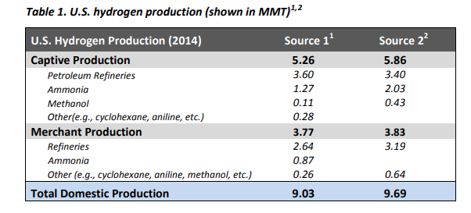

2019 | 2020
77600 | 75161 | Refinery and Blender Net Input of H2 (1000 barrels) | https://www.eia.gov/dnav/pet/pet_pnp_inpt_a_EPOOOH_yir_mbbl_a.htm
6.287 | 6.287 | Energy content per barrel (MMBtu) | https://www.eia.gov/totalenergy/data/monthly/pdf/sec12.pdf
487871200000000 | 472537207000000 | Refinery and Blender Net Input of H2 (btu)
199050 | 171738 | Natural gas used as feedstock for H2 production at refineries (MCF) | https://www.eia.gov/dnav/pet/pet_pnp_feedng_k_a.htm
1037000000 | 1037000000 | Energy content per MCF NG
206414850000000 | 178092306000000 | Natural gas used as feedstock
0.72 | 0.72 | NG->H2 converison efficiency | https://www.nrel.gov/docs/fy14osti/60528.pdf
148618692000000 | 128226460320000 | H2 produced onsite
0.23349733259 | 0.21343910642 | Share of H2 produced onsite

Natural Gas as Feedstock
Sector | EPS Sector | H2 Demand (MMT/year) | H2 Demand (BTU/year) | Refineries |  | Non-Refineries |  |  | Natural Gas Feedstock Consumption (BTU/year) | Net H2 Demand (BTU)
 |  |  |  | 2019 Natural Gas Feedstock Consumption from EIA (BTU/year) | Net H2 Demand (BTU) | Captive Production (MMT/year) | Captive Production (BTU/year) | Merchant Production (BTU/year)
Refining | refined petroleum and coke 19 | 4.7230394681 | 636489892000000 | 206414850000000 | 487871200000000 | 3.5 | 4.7167216722E+14 | 1.6481772478E+14 | 206414850000000 | 487871200000000
Ammonia | chemicals 20 | 2.7 | 2.9196087989E+14 | 0 | 2.9196087989E+14 | 1.65 | 2.2235973597E+14 | 6.9601143916E+13 | 2.2235973597E+14 | 6.9601143916E+13
Methanol | chemicals 20 | 1.6 | 1.7301385475E+14 | 0 | 1.7301385475E+14 | 0.27 | 3.6386138614E+13 | 1.3662771614E+14 | 3.6386138614E+13 | 1.3662771614E+14
Metal Processing | iron and steel 241 | 0.2 | 2.0792079208E+13 | 0 | 2.0792079208E+13 | 0.093333333333 | 1.2577924459E+13 | 8.2141547488E+12 | 1.2577924459E+13 | 8.2141547488E+12
Other | chemicals 20 | 0.4 | 4.3253463687E+13 | 0 | 4.3253463687E+13 | 0.18666666667 | 2.5155848918E+13 | 1.8097614769E+13 | 2.5155848918E+13 | 1.8097614769E+13

Assumptions
1037 | btu/cubic foot natural gas | https://www.eia.gov/tools/faqs/faq.php?id=45&t=8#:~:text=In%202020%2C%20the%20U.S.%20annual,103%2C700%20Btu%2C%20or%201.037%20therms.
37.23 | cubic foot of gas per cubic meter of H2 | https://www.epa.gov/sites/default/files/2015-02/documents/subpartp-tsd_hydrogenproduction.pdf
35.3147 | cubic feet per cubic meter
72% | Conversion efficiency | https://www.nrel.gov/docs/fy14osti/60528.pdf

BIFUbC_Hydrogen Calculations
Historical Hydrogen Demand
Source | EPS Sector | 2019 Total H2 Demand (Mt/year) | 2019 Total H2 Demand (BTU/year)
On purpose (dedicated)
Fertilizers | chemicals 20 | 3 | 4.0352941176E+14
Refineries | refined petroleum and coke 19 | 1.1 | 1.4796078431E+14
Dedicated production as listed in EUROSTAT* | chemicals 20 | 1.4 | 1.8831372549E+14
Byproduct (not on purpose)
Refining |  | 2.4
Steam Crackers |  | 0.4
Chlor-alkali |  | 0.3
Chemicals (other) |  | 0.15
Others |  | -
* third-party SMR H2 imported by refineries -- (classify production under chemicals industry)
https://www.petrochemistry.eu/wp-content/uploads/2021/03/Petrochemicals_Paper_hydrogen-1.pdf
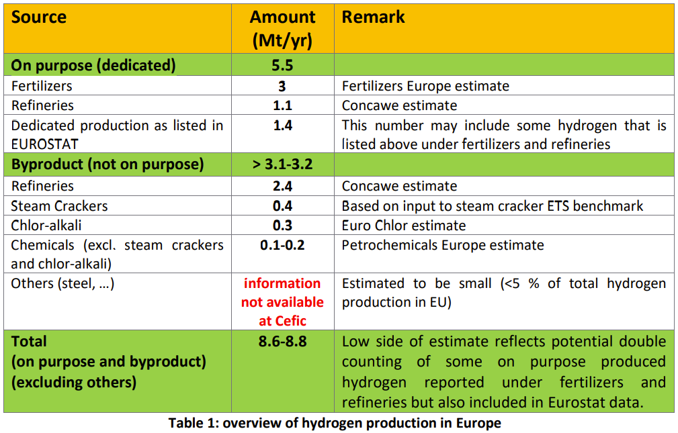

Natural Gas as Feedstock
Source | EPS Sector | H2 Demand (MMT/year) | H2 Demand (BTU/year) | Natural Gas Feedstock Consumption (BTU/year) | Share of generation on-site** | On-site Natural Gas Feedstock Consumption (BTU/year)
Fertilizers | chemicals 20 | 3 | 4.0352941176E+14 | 5.6045751634E+14 | 100% | 5.6045751634E+14
Refineries | refined petroleum and coke 19 | 1.1 | 1.4796078431E+14 | 2.0550108932E+14 | 100% | 2.0550108932E+14
Dedicated production as listed in EUROSTAT* | chemicals 20 | 1.4 | 1.8831372549E+14 | 2.6154684096E+14 | 100% | 2.6154684096E+14
** in the US model, we account for only merchant hydrogen, hence needing to classify on- vs off-site H2. Here we account for all non-byproduct H2

Hydrogen Demand [BTU] *** |  | 2019 | 2020 | 2021 | 2022 | 2023 | 2024 | 2025 | 2026 | 2027 | 2028 | 2029 | 2030 | 2031 | 2032 | 2033 | 2034 | 2035 | 2036 | 2037 | 2038 | 2039 | 2040 | 2041 | 2042 | 2043 | 2044 | 2045 | 2046 | 2047 | 2048 | 2049 | 2050
Fertilizers | chemicals 20 | 4.0352941176E+14 | 4.1013728093E+14 | 4.1489867E+14 | 4.2010222652E+14 | 4.2411322686E+14 | 4.2699023028E+14 | 4.303649037E+14 | 4.3387052868E+14 | 4.3737269202E+14 | 4.4047204774E+14 | 4.431640207E+14 | 4.4524876396E+14 | 4.4796967276E+14 | 4.50217026E+14 | 4.5251808634E+14 | 454460328132083 | 456165866987849 | 4.5856189195E+14 | 4.6084538526E+14 | 4.6332401106E+14 | 4.6561400511E+14 | 4.6815412729E+14 | 4.7073248429E+14 | 4.7385244252E+14 | 4.763678977E+14 | 4.7925112836E+14 | 4.8129077477E+14 | 4.8414606423E+14 | 4.8683609108E+14 | 489521134784638 | 4.9187848118E+14 | 4.9418294188E+14
Refineries | refined petroleum and coke 19 | 1.4796078431E+14 | 1.4712324842E+14 | 1.468262409E+14 | 1.4597516455E+14 | 1.4489697905E+14 | 1.4353532344E+14 | 1.4235928837E+14 | 1.416409453E+14 | 1.4057769081E+14 | 1.4007433976E+14 | 1.3947012813E+14 | 1.3855924204E+14 | 1.3817589017E+14 | 1.3759773403E+14 | 1.3681392262E+14 | 1.3603311721E+14 | 1.3463557949E+14 | 1.341925869E+14 | 1.3305050562E+14 | 1.3211074387E+14 | 1.3111078276E+14 | 1.3005879899E+14 | 1.2867387925E+14 | 1.2765831042E+14 | 1.2633947115E+14 | 1.252410872E+14 | 1.2432629483E+14 | 1.2348044115E+14 | 1.2230515971E+14 | 1.2140027155E+14 | 1.2047548997E+14 | 1.1929121742E+14
Dedicated production as listed in EUROSTAT* | chemicals 20 | 1.8831372549E+14 | 1.8724777072E+14 | 1.8686976115E+14 | 1.8578657307E+14 | 1.8441433697E+14 | 1.8268132074E+14 | 1.8118454883E+14 | 1.8027029401E+14 | 1.7891706103E+14 | 1.7827643242E+14 | 1.775074358E+14 | 176348126235609 | 1.7586022386E+14 | 1.7512438876E+14 | 1.7412681061E+14 | 1.7313305827E+14 | 1.7135437389E+14 | 1.7079056515E+14 | 1.6933700715E+14 | 1.6814094674E+14 | 1.6686826897E+14 | 1.6552938053E+14 | 1.6376675541E+14 | 1.6247421326E+14 | 1.6079569055E+14 | 1.5939774735E+14 | 1.5823346615E+14 | 1.571569251E+14 | 1.5566111236E+14 | 1.5450943652E+14 | 1.5333244178E+14 | 1.5182518581E+14
*** although the "dedicated production" category is made by the chemicals industry, we tie its growth to refining output, as the consumer is refineries

Hydrogen Demand [BTU]
 |  | 2019 | 2020 | 2021 | 2022 | 2023 | 2024 | 2025 | 2026 | 2027 | 2028 | 2029 | 2030 | 2031 | 2032 | 2033 | 2034 | 2035 | 2036 | 2037 | 2038 | 2039 | 2040 | 2041 | 2042 | 2043 | 2044 | 2045 | 2046 | 2047 | 2048 | 2049 | 2050
 | refined petroleum and coke 19 | 1.4796078431E+14 | 1.4712324842E+14 | 1.468262409E+14 | 1.4597516455E+14 | 1.4489697905E+14 | 1.4353532344E+14 | 1.4235928837E+14 | 1.416409453E+14 | 1.4057769081E+14 | 1.4007433976E+14 | 1.3947012813E+14 | 1.3855924204E+14 | 1.3817589017E+14 | 1.3759773403E+14 | 1.3681392262E+14 | 1.3603311721E+14 | 1.3463557949E+14 | 1.341925869E+14 | 1.3305050562E+14 | 1.3211074387E+14 | 1.3111078276E+14 | 1.3005879899E+14 | 1.2867387925E+14 | 1.2765831042E+14 | 1.2633947115E+14 | 1.252410872E+14 | 1.2432629483E+14 | 1.2348044115E+14 | 1.2230515971E+14 | 1.2140027155E+14 | 1.2047548997E+14 | 1.1929121742E+14
 | chemicals 20 | 591843137254902 | 5.9738505165E+14 | 6.0176843115E+14 | 6.0588879958E+14 | 6.0852756383E+14 | 609671551015228 | 6.1154945253E+14 | 6.1414082269E+14 | 616289753051685 | 6.1874848016E+14 | 6.2067145649E+14 | 6.2159689019E+14 | 6.2382989662E+14 | 6.2534141476E+14 | 6.2664489695E+14 | 627593386399401 | 6.2752024088E+14 | 6.293524571E+14 | 6.3018239242E+14 | 631464957797512 | 6.3248227407E+14 | 633683507824757 | 6.344992397E+14 | 6.3632665578E+14 | 6.3716358825E+14 | 6.3864887571E+14 | 639524240926516 | 641302989333804 | 642497203433983 | 644030571307524 | 6.4521092296E+14 | 6.460081277E+14

Reduction in Natural Gas Use by Industry [BTU]
 |  | 2019 | 2020 | 2021 | 2022 | 2023 | 2024 | 2025 | 2026 | 2027 | 2028 | 2029 | 2030 | 2031 | 2032 | 2033 | 2034 | 2035 | 2036 | 2037 | 2038 | 2039 | 2040 | 2041 | 2042 | 2043 | 2044 | 2045 | 2046 | 2047 | 2048 | 2049 | 2050
 | refined petroleum and coke 19 | 2.0550108932E+14 | 2.0433784503E+14 | 2.0392533459E+14 | 2.027432841E+14 | 2.0124580424E+14 | 1.9935461588E+14 | 1.9772123384E+14 | 1.9672353513E+14 | 1.9524679279E+14 | 1.9454769411E+14 | 1.9370851129E+14 | 1.9244339173E+14 | 1.9191095857E+14 | 1.9110796392E+14 | 1.9001933697E+14 | 1.8893488501E+14 | 1.869938604E+14 | 1.8637859292E+14 | 184792368917577 | 1.8348714426E+14 | 1.8209830939E+14 | 1.8063722082E+14 | 1.7871372118E+14 | 1.7730320892E+14 | 1.7547148771E+14 | 1.7394595445E+14 | 1.7267540949E+14 | 1.7150061271E+14 | 1.6986827737E+14 | 1.6861148827E+14 | 1.673270694E+14 | 1.6568224642E+14
 | chemicals 20 | 822004357298475 | 8.2970146062E+14 | 8.3578948772E+14 | 8.4151222164E+14 | 8.4517717199E+14 | 8.4676604308E+14 | 8.4937423962E+14 | 8.5297336485E+14 | 8.5595799035E+14 | 8.5937288911E+14 | 8.6204368958E+14 | 8.6332901416E+14 | 8.6643041197E+14 | 8.6852974272E+14 | 870340134650679 | 8.7165748111E+14 | 8.7155589011E+14 | 8.7410063486E+14 | 8.752533228E+14 | 8.7703466361E+14 | 878447602879273 | 8.8011598309E+14 | 8.8124894403E+14 | 883787021922349 | 8.8494942813E+14 | 8.8701232737E+14 | 8.882281124E+14 | 890698596296950 | 8.9235722699E+14 | 8.9448690459E+14 | 8.9612628189E+14 | 8.9723351069E+14

Assumptions
1037 | btu/cubic foot natural gas | https://www.eia.gov/tools/faqs/faq.php?id=45&t=8#:~:text=In%202020%2C%20the%20U.S.%20annual,103%2C700%20Btu%2C%20or%201.037%20therms.
37.23 | cubic foot of gas per cubic meter of H2 | https://www.epa.gov/sites/default/files/2015-02/documents/subpartp-tsd_hydrogenproduction.pdf
35.3147 | cubic feet per cubic meter
72% | Conversion efficiency | https://www.nrel.gov/docs/fy14osti/60528.pdf
0.454 | kg/lb

EU Reference Scenario 2020 Data
 | 2005 | 2010 | 2015 | 2020 | 2025 | 2030 | 2035 | 2040 | 2045 | 2050
Primary Production (incl. recovery of products) (ktoe)
Crude oil and petroleum products | 46835.295155 | 33980.781489 | 29621.706766 | 23932.177694 | 24486.084615 | 21577.737639 | 16282.076644 | 14073.40673 | 12240.111784 | 10439.036973

